VPN
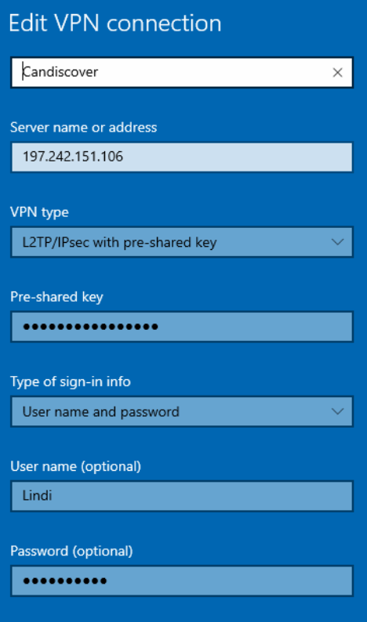
VPN Pre-Shared Key: | tIcBVzsi90MgBRtM

Users | Password | Company | Permissions
Candice | 8Wp1/(8\aS | Can-Discover | Admin
Debbie | xUK6A24%@# | Can-Discover | Admin
Sue | 4Yg78,L9W@ | Worldseeker | RDP
Geoffrey | 5_hhiJ\1U& | Blazewebstudio | Admin Temp Access
Numandi | LXzx73>5!# | QuickSoftware (QuickTrav) | RDP

